Datailed Inquiry Information
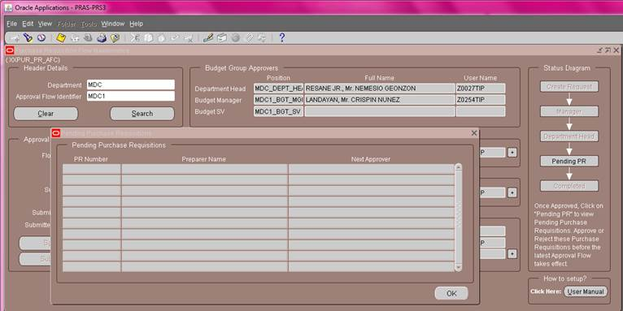
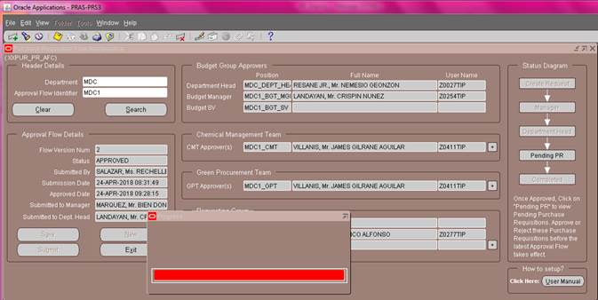
Detailed Inquiry Information

 | PLEASE PROVIDE EVIDENCE OF REQUEST / DETAILS OF REQUEST HERE (IN DETAIL).

Detailed Investigation Result
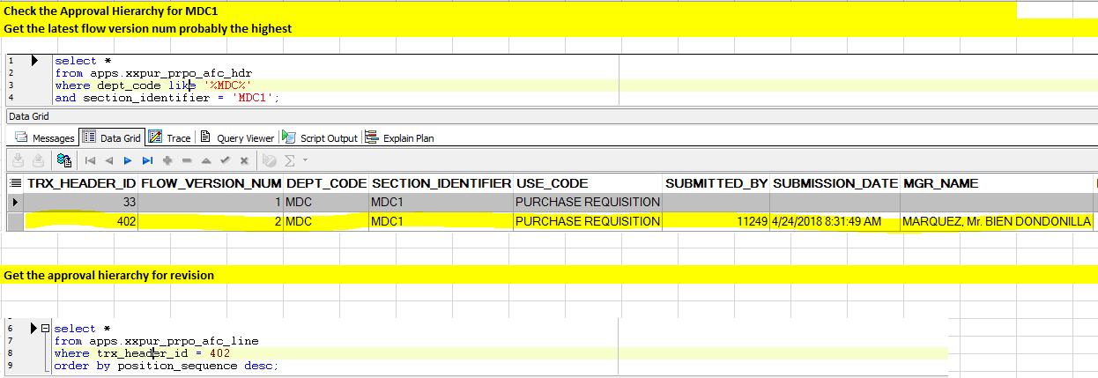
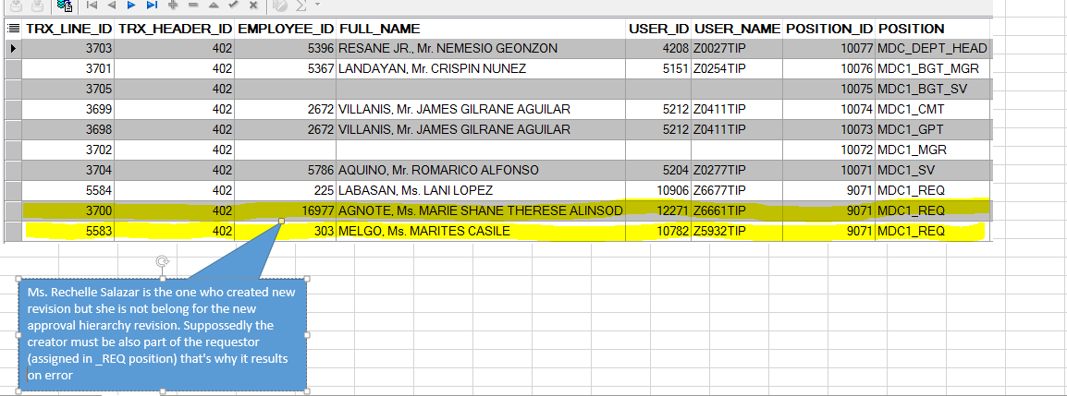
Detailed Investigation Result

Helpdesk Request
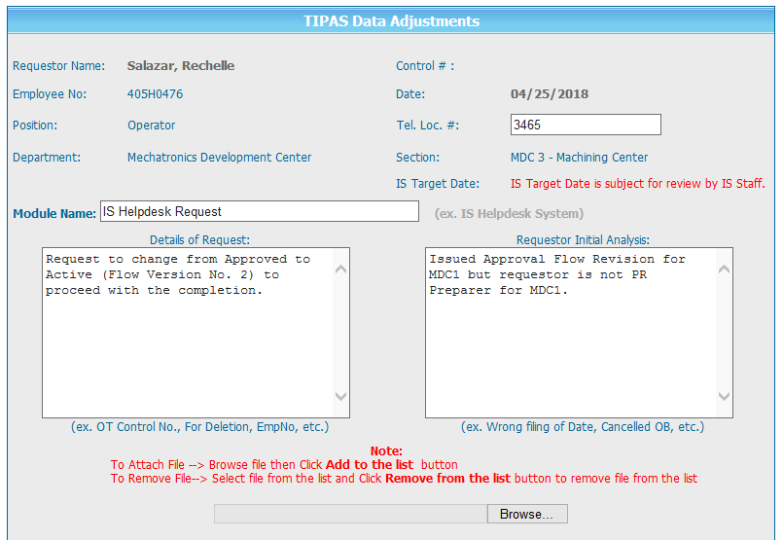
Helpdesk Request

 | ATTACH SCREENSHOT OF HELPDESK REQUEST.

